Sheet1
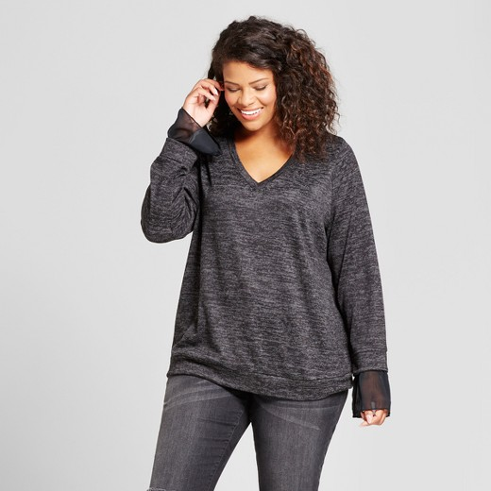
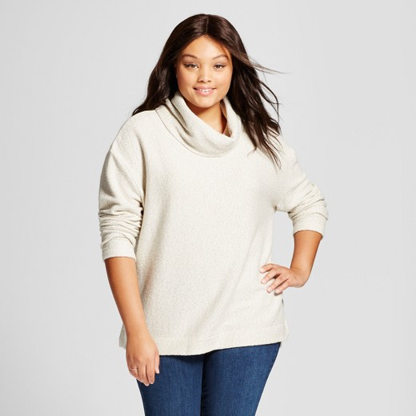
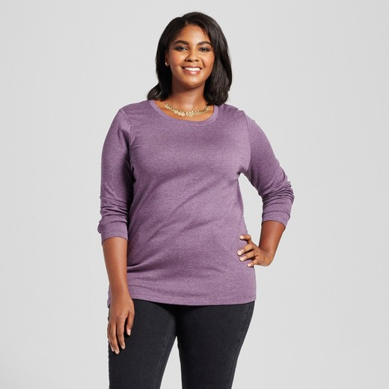
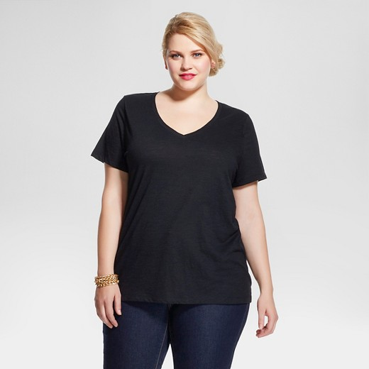
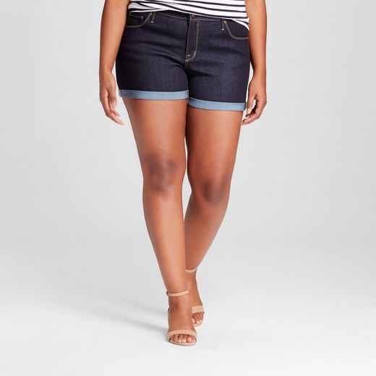
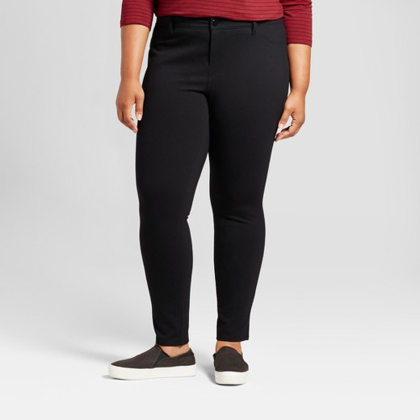
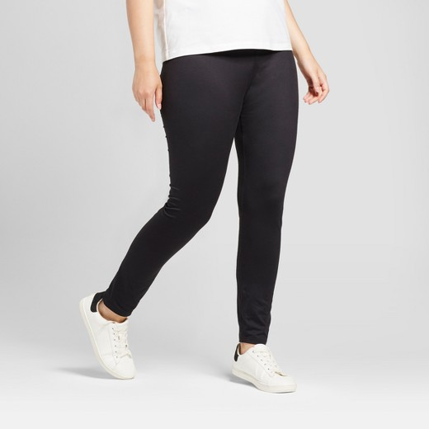
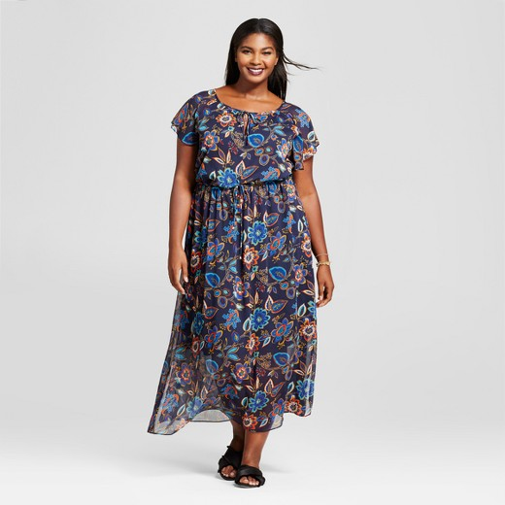
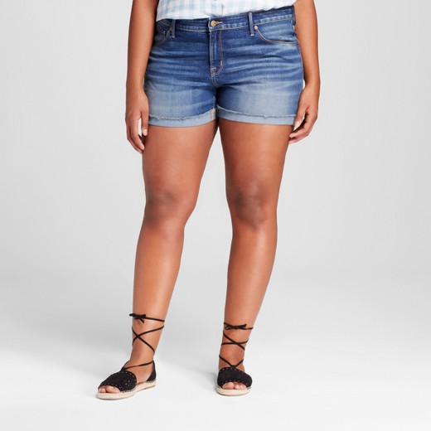
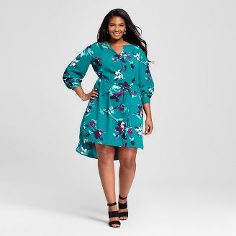
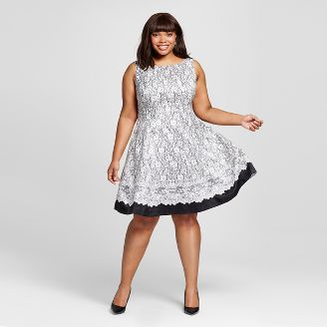
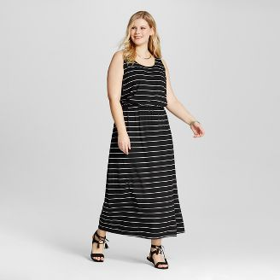
Women's Plus Size Apparel

DESCRIPTION | PALLETS | UNITS | LOC
Target Womens (Summer) Plus sizes 3 styles | 1 | 160
KLS Womens Winter Apparel (Plus Sizes) | 1 | 450 | 2-1A
KLS Women's Spring & Summer Apparel (Plus Sizes) | 1 | 900 | 1-3A
TGT Womens Summer Apparel (Plus Sizes) | 1 | 545 | 3-1B
HSN Jeggings and Pants (Plus sizes) 2 styles | 1 | 295 | 1-4B
HSN Womens Summer Apparel (Plus sizes) | 1 | 620 | 3-1B
Holloway Women's Warm Up Pants (Plus Sizes) | 1 | 170 | 1-4B
AMZ Women's Spring & Summer Apparel (Plus Sizes) | 1 | 475 | 1-4B
Holloway Women's Spring & Summer Apparel (Plus Sizes) | 1 | 175
WM Women's Spring & Summer Apparel (Plus Sizes) | 1 | 710 | 1-1B
Incentex Women's Dress Shirts (Plus Sizes) | 1 | 65
 | 11 | 4,565

